Block-Doors
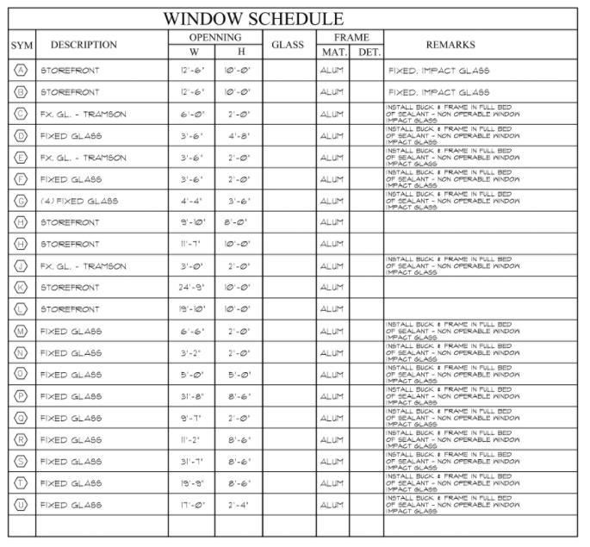
Row Labels | Length | Area | Count
HSE Takeoff Cat |  |  |  | 1ST FLOOR BLOCK TOTAL | TOTAL TONS STEEL
Neovita SFH Club House |  |  |  | 3856 | 2
1st Floor
CMU |  |  |  | 8x8x12 (3/4 block) | 8x8x16 (regular block)
CMU Cells |  |  |  | 63 | 3403
(blank)
(blank) |  |  |  | 8x8x16 (knockout block) | Type S Mortar (80lb Bags)
(blank) |  |  |  | 390 | 49
13' 4" | 0 | 0 | 93
CMU Walls |  |  |  | Durawall 8" Ladder type | Sand Yds
(blank) |  |  |  | 6 | 11
(blank)
(blank) |  |  |  | Total Solid Block Count | 6" Bar Ties
13' 4" | 259.77899038 | 0 | 3906 | 3902 | 2
Interior/Exterior Items
CLUB HOUSE DOORS/WINDOWS |  |  |  | 6" Lintel Screen (Rolls) | Lintel/Block Cell Concrete 3000 PSI 3/8" Chatt (Yrds)
(blank) |  |  |  | 3 | 21
(blank)
(blank) |  |  |  | #5-1' x4' Pre Bent Rebar | 20' #7 Rebar (Block Cells)
02 | 0 | 0 | 1 | 100 | 0
03 | 0 | 0 | 1
04 | 0 | 0 | 1 | Rebar Caps | 20' #5 Rebar (Lintel Bond Beams)
05 | 0 | 0 | 1 | 100 | 35
06 | 0 | 0 | 1
07 | 0 | 0 | 1 | 20' #6 Rebar (Block Cells) | 20' #5 Rebar (Block Cells)
08 | 0 | 0 | 1 | 0 | 100
09 | 0 | 0 | 1
10 | 0 | 0 | 1 | #7-1' x5' Pre Bent Rebar
12 | 0 | 0 | 1 | 0
13 | 0 | 0 | 1
14 | 0 | 0 | 1 | 2ND FLOOR BLOCK TOTAL | TOTAL TONS STEEL
15 | 0 | 0 | 1 | 4628 | 2
26 | 0 | 0 | 1
A | 0 | 0 | 1 | 8x8x12 (3/4 block) | 8x8x16 (regular block)
B | 0 | 0 | 1 | 75 | 4044
D | 0 | 0 | 1
E | 0 | 0 | 1 | 8x8x16 (knockout block) | Type S Mortar (80lb Bags)
F | 0 | 0 | 1 | 509 | 58
G | 0 | 0 | 1
H | 0 | 0 | 1 | Durawall 8" Ladder type | Sand Yds
I | 0 | 0 | 2 | 7 | 13
K | 0 | 0 | 1
L | 0 | 0 | 1 | Total Solid Block Count | 6" Bar Ties
M | 0 | 0 | 1 | 4684 | 22
N | 0 | 0 | 1
2nd Floor |  |  |  | 6" Lintel Screen (Rolls) | Lintel/Block Cell Concrete 3000 PSI 3/8" Chatt (Yrds)
CMU |  |  |  | 4 | 22
CMU Cells
(blank) |  |  |  | #5-1' x4' Pre Bent Rebar | 20' #7 Rebar (Block Cells)
(blank) |  |  |  | 100 | 0
(blank)
13' 4" | 0 | 0 | 83 | Rebar Caps | 20' #5 Rebar (Lintel Bond Beams)
3' 4" | 0 | 0 | 10 | 0 | 45
CMU Walls
(blank) |  |  |  | 20' #6 Rebar (Block Cells) | 20' #5 Rebar (Block Cells)
(blank) |  |  |  | 0 | 100
(blank)
13' 4" | 303.92366991 | 0 | 4570 | #7-1' x5' Pre Bent Rebar
3' 4" | 35.98698324 | 0 | 137 | 0
Interior/Exterior Items
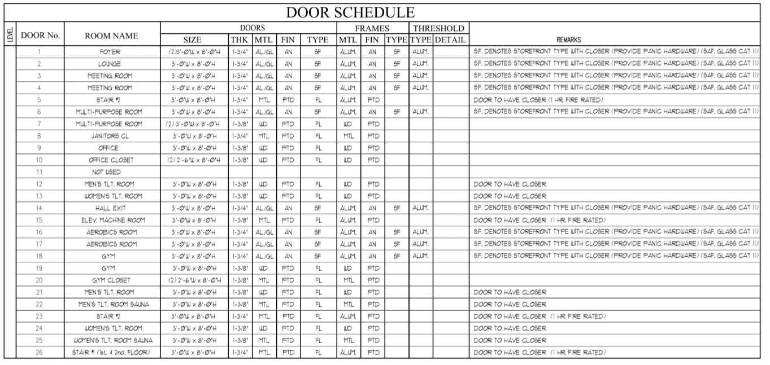
CLUB HOUSE DOORS/WINDOWS
(blank)
(blank)
(blank)
16 | 0 | 0 | 1
17 | 0 | 0 | 1
18 | 0 | 0 | 1
19 | 0 | 0 | 1
20 | 0 | 0 | 1
21 | 0 | 0 | 1
22 | 0 | 0 | 1
23 | 0 | 0 | 1
24 | 0 | 0 | 1
25 | 0 | 0 | 1
26 | 0 | 0 | 1
G | 0 | 0 | 1
O | 0 | 0 | 1
P | 0 | 0 | 1
Q | 0 | 0 | 1
R | 0 | 0 | 1
S | 0 | 0 | 1
T | 0 | 0 | 1
U | 0 | 0 | 1

